GDP Changes
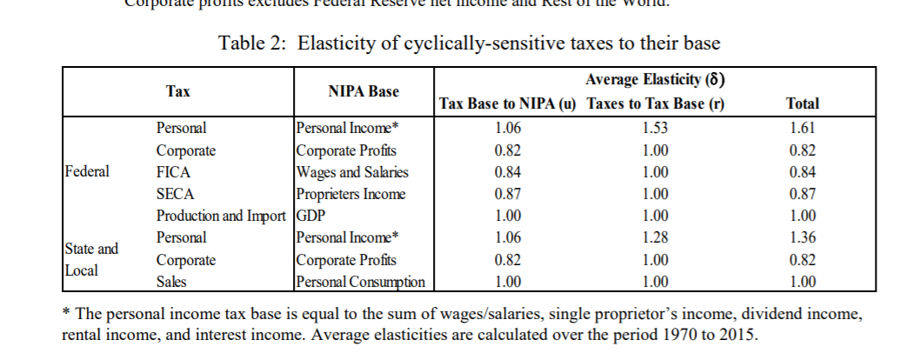
Use CBO and/or Fed elasticities
CBO |  |  |  |  |  |  |  |  |  | Federal Reserve
Income and Payroll Taxes

 | Taxes to Tax Base | Tax base to NIPA | Nipa to GDP GAP | R1*R2*R3 | R1*R2 |  | Fed Taxes to Tax Base | Tax Base to NIPA Income
Individual | 1.61 | 1.13 | 1.22 | 2.219546 | 1.8193 |  | 1.61
Corp | 1 | 0.75 | 1.55 | 1.1625 | 0.75 |  | 0.82
FICA | 1 | 0.88 | 1.18 | 1.0384 | 0.88 |  | 0.84
SECA | 1 | 0.81 | 1.54 | 1.2474 | 0.81 |  | 0.87

Production and Import |  | Fed says moves with GDP
State and Local | Personal | 1.06 | 1.28 | 1.3568
 | corporate | 0.82 | 1 | 0.82
 | sales | 1 | 1 | 1 | consumption
NOTE: Personal income falling less because of checks which are not taxable. Take them out of personal income.
% Change | 2020Q1 | 2020Q2 | 2020Q3 | 2020Q4 | 2021Q1 | 2021Q2 | 2021Q3 | 2021Q4
GDP | -2.1% | -14.2% | -10.8% | -9.4% | -8.5% | -8.1% | -7.9% | -7.9% | -9.5%
Income, Personal (NOTE) | -1.0% | -17.6% | -11.5% | -8.2% | -9.1% | -9.3% | -9.6% | -9.4% | -10.7% | NOTE: take some out for stimulus checks-not taxable
Wages and Salaries | -1.9% | -13.8% | -14.1% | -11.8% | -11.0% | -10.1% | -9.8% | -9.7% | -11.5% | -20.0%
Total Prop Income | -0.9% | -19.4% | -15.6% | -12.3% | -10.7% | -9.8% | -9.3% | -9.1% | -12.3%
Profits, Corporate, With IVA and CCAdj | -11.8% | -32.7% | -6.6% | -8.5% | -4.1% | -2.8% | -1.3% | -0.7% | -8.1%
PCE | -3.0% | -15.3% | -9.3% | -7.8% | -7.9% | -8.2% | -8.8% | -9.1% | -9.5%
Pre-COVID (Jan 2020 CBO)
 | 2020Q1 | 2020Q2 | 2020Q3 | 2020Q4 | 2021Q1 | 2021Q2 | 2021Q3 | 2021Q4
Gross Domestic Product (GDP) | 21,993 | 22,218 | 22,455 | 22,694 | 22,921 | 23,142 | 23,359 | 23,583
Income, Personal | 19,100 | 19,249 | 19,439 | 19,628 | 19,882 | 20,075 | 20,263 | 20,457
Wages and Salaries | 9,583 | 9,692 | 9,811 | 9,925 | 10,035 | 10,142 | 10,245 | 10,347
Total Prop Income | 1,714 | 1,713 | 1,728 | 1,745 | 1,763 | 1,780 | 1,796 | 1,816
Profits, Corporate, With IVA & CCAdj | 2,170 | 2,226 | 2,251 | 2,303 | 2,324 | 2,337 | 2,348 | 2,367
Personal Consumption Expenditures | 15,008 | 15,145 | 15,321 | 15,493 | 15,660 | 15,819 | 15,976 | 16,139
May 2020 Interim Forecast—Data Release (Quarterly)
 | 2020Q1 | 2020Q2 | 2020Q3 | 2020Q4 | 2021Q1 | 2021Q2 | 2021Q3 | 2021Q4
Gross Domestic Product (GDP) | 21538 | 19058 | 20038 | 20561 | 20967 | 21277 | 21515 | 21731
Income, Personal | 18916 | 15869 | 17207 | 18027 | 18075 | 18210 | 18317 | 18529 | Take away checks, not taxalbe
Wages and Salaries | 9398 | 8355 | 8424 | 8756 | 8932 | 9113 | 9245 | 9345 | Also take away some PPP
Total Prop Income | 1699 | 1381 | 1458 | 1531 | 1575 | 1605 | 1629 | 1651
Profits, corporate, with IVA and CCADj | 1914 | 1499 | 2101 | 2108 | 2229 | 2271 | 2317 | 2350
Personal Consumption Expenditures | 14556 | 12828 | 13895 | 14287 | 14415 | 14524 | 14576 | 14676

